Base Business Req
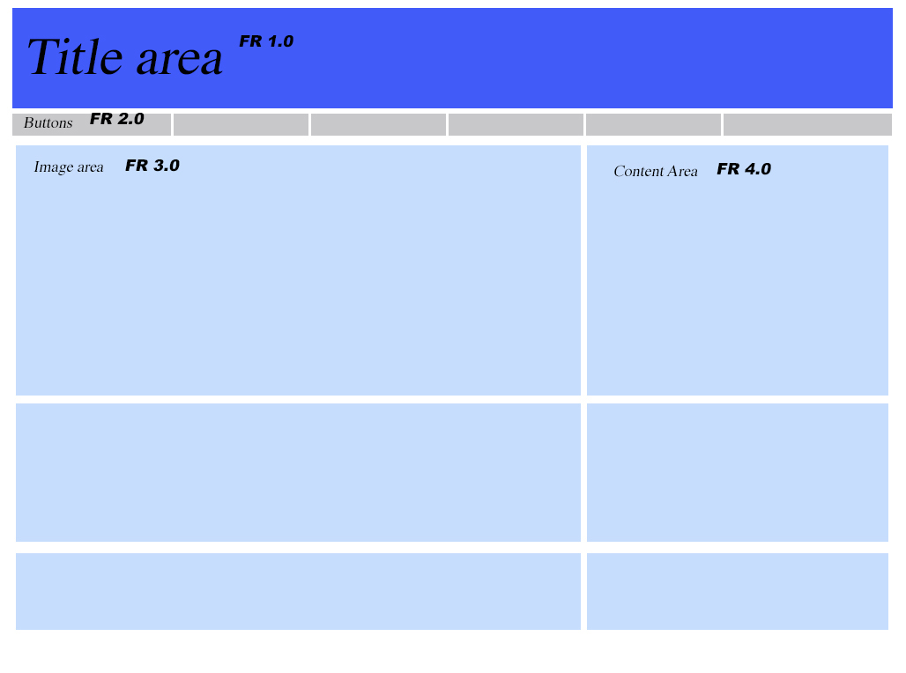
BR# | Requirements Description | Requirement Category | Success Criteria | Assumptions | Open items | Testable? | Priority
1.0 | REQUIREMENT ONE | General | as a business owner, I want to be able to _______ in order to _____ | assumptions about business need and impacts
2.0 | REQUIREMENT TWO | User Interface | as a business owner, I want to be able to _______ in order to _____ | assumptions about business need and impacts
3.0 | REQUIREMENT THREE | User Interface | as a business owner, I want to be able to _______ in order to _____ | assumptions about business need and impacts
4.0 | REQUIREMENT FOUR | User Interface | as a business owner, I want to be able to _______ in order to _____ | assumptions about business need and impacts
4.1 | REQUIREMENTS FOUR - SECONDARY | User Interface | as a business owner, I want to be able to _______ in order to _____ | assumptions about business need and impacts
4.2.1 | REQUIREMENTS FOUR - TIERTIARY | User Interface | as a business owner, I want to be able to _______ in order to _____ | assumptions about business need and impacts

